Gear 1-2-3 Rule
The Gear 1-2-3 Rule of Anabolic Steroids in Bodybuilding

The famous "gear 1-2-3 rule of anabolic steroids in bodybuilding" provides a simple rule of thumb for how anabolic steroids (AS) such as androgenic-anabolic steroids (AAS), human growth hormone (HGH), and insulin (SLIN) can affect someone's muscle growth as follows:
1. No AS -> single muscle growth (1x)
2. AAS -> double muscle growth (2x)
3. AAS + HGH + SLIN -> triple muscle growth (3x)
So in general, a person who is able to build 25 lbs of lean muscle mass without chemical assistance, should be able to build 50 lbs of lean muscle mass using AAS, and should be able to build 75 lbs of lean muscle mass using AAS + HGH + SLIN, if he does everything right.
While this rule is often attacked by steroid users who don't like to hear that so much of their muscle mass is merely the result of steroid use, the rule is supported by many real life examples that we all know and by a large amount of empirical data available from famous bodybuilders who competed in the era before AAS were available (0-1950), the era when only AAS were commonly used (1950-1990), and the era when AAS + HGH + SLIN were the standard (1990-now). Take a look at the Supporting Data tab that I have used to verify the rule and also read about the BMI Evolution of Pro IFBB Bodybuilders.

For example, assume a person of 183 cm (6 feet):
0. Drug free - never trained: BMI 21 = 70 kg (154 lbs) at 3% BF: 0 kg muscles built
1. Drug free - fully trained: BMI 26 = 88 kg (194 lbs) at 3% BF: 18 kg (1x18) muscles built (e.g. Steve Reeves)
2. AAS - fully trained: BMI 32 = 106 kg (236 lbs) at 3% BF: 36 kg (2x18) muscles built (e.g. Bob Paris)
3. AAS+HGH+SLIN - fully trained: BMI 37 = 124 kg (273 lbs) at 3% BF: 54 kg (3x18) muscles built (e.g. Kevin Levrone)

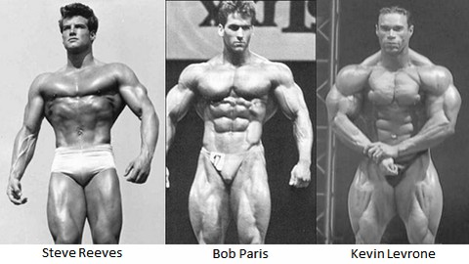

An interesting consequence of the gear 1-2-3 rule is that it allows you to estimate the Drug-Free FFMI of AS using bodybuilders as follows:
DF-FFMI (AAS BB-ers) = 21 + (FFMI - 21) / 2
DF-FFMI (AAS+HGH+SLIN BB-ers) = 21 + (FFMI - 21) / 3
This results for example in a DF-FFMI of 27.1 and 27.5 for Lee Haney and Ronnie Coleman, respectively, which is indeed very close to the most massive natural bodybuilders known (e.g. Steve Reeves had a FFMI of 27.5).
See supporting data in the tab "Supporting Data"
www.True-Natural-BodyBuilding.com

Graph
FFMI of Heaviest Bodybuilders in Different Eras of Steroid Use

Top 10 Heaviest Bodybuilders | 1 | 2 | 3 | 4 | 5 | 6 | 7 | 8 | 9 | 10
AAS+HGH+SLIN - FULLY TRAINED (1990-now) | 41.2 | 40.4 | 39.4 | 39.2 | 39.3 | 38.4 | 38.3 | 38.3 | 38.0 | 37.2
AAS - FULLY TRAINED (1950-1990) | 33.2 | 33.2 | 33.1 | 33.1 | 33.1 | 32.6 | 31.7 | 31.4 | 29.9 | 29.7
DRUG FREE - FULLY TRAINED (0-1950) | 28.0 | 27.7 | 27.5 | 27.3 | 26.5 | 26.1 | 26.0 | 25.9 | 25.8 | 25.5
DRUG FREE - NEVER TRAINED | 20.9 | 21.0 | 20.9 | 21.0 | 21.1 | 20.9 | 21.0 | 21.1 | 20.9 | 21.0

